MF OSAR
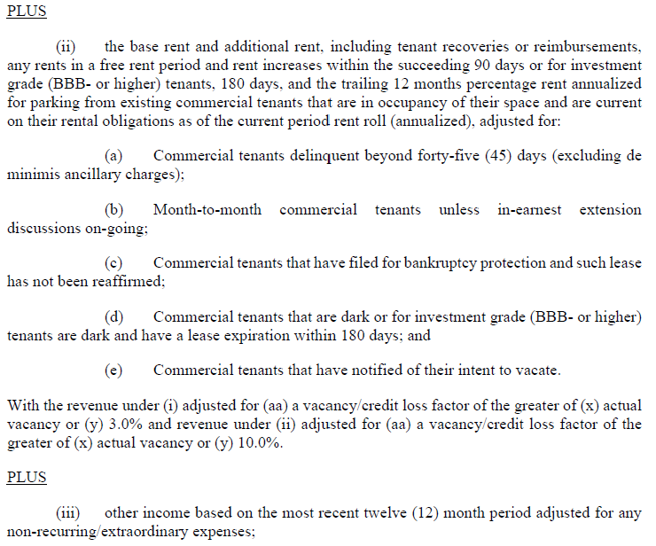
MULTIFAMILY OPERATING STATEMENT ANALYSIS REPORT (includes Mobile Home Parks, Single Family Rentals, and Co-ops)
as of 03/31/26
PROPERTY OVERVIEW |  |  |  | Allocated Loan Amount/Percentage
Property ID | 1001-001 | Paid Thru Date | Debt Outside Trust (1) | $ | %
Note A-Scheduled Loan Balance | $280,000,000.00 | 2026-03-31 |  | $- | 100.00%
Note B-Scheduled Loan Balance
Note C-Scheduled Loan Balance
Property Name | Quincy & Hollingsworth
Property Type | Mixed-Use (Multi-family) |  |  |  |  |  | Commcercial Vacancy
Property Address, City, State | 70 W. 37th St. |  |  |  |  |  | 10.01%
Current Net Rentable SF/Units/Beds/Rooms | 455 |  | Use second box to specify sqft.,units…
Year Built/Year Renovated | 1986 | 2021 |  |  |  |  | Vacancy Factor
Cap Ex Reserve (annually)/per Unit.etc. (2) | $ 250 | per unit | specify annual/per unit… |  |  |  | Commercial | 10.00%
Statement Ending Date | Underwriting |  | 2025-12-31 | 2026-03-31 | 2026-03-31 |  | Residential | 3.00%
Occupancy Rate (physical) | 93% |  | 90.55% | 96.04% | 96.04%
Occupancy Date | 2025-09-30 |  | 2025-12-31 | 2026-03-31 | 2026-03-31
 | (1) "X" if debt is outside of the trust, otherwise leave blank
 | (2) Total $ amount of Capital Reserves required annually by loan documents
INCOME:
Number of Mos. Covered
Period Ended | At Contribution | 3rd Preceding | DY Test | TTM | DY Test |  | QoQ Variance | QoQ Variance
Statement Ending Date | Information |  | 12/31/2025 | 03/31/2026 | 03/31/2026 | Notes | $ | %
Gross Potential Rent (3) | $28,640,482 |  | $24,755,526 | $25,677,021 | $27,270,606 | Annualized RR as of 03/31/2026 less delinquent tenants & KV's | $2,515,080.00 | 10.2%
Less: Vacancy Loss | ($1,674,367) |  |  | - |  | Greater of actual & 3% vacancy factor
OR |  |  |  |  |  |  | $0.00
Base Rent (3) | $2,816,135 |  | $2,747,575 | $2,671,554 | $2,774,713 | Annualized Commercial RR adjusted for greater of actual 10.01% or 10.00% vacancy factor | $27,138.36 | 1.0%
Laundry/Vending Income |  |  |  | - |  |  | $0.00
Parking Income |  |  | $600,000 | $853,261 | $600,000 | Annualized RR less delinquent tenants & KV's | $0.00 | 0.0%
Other Income | ($630,195) |  | ($322,324) | ($748,853) | ($230,308) | T6 Other Income Less T6 Concessions 03/31/2026 | $92,016.70 | -28.5%
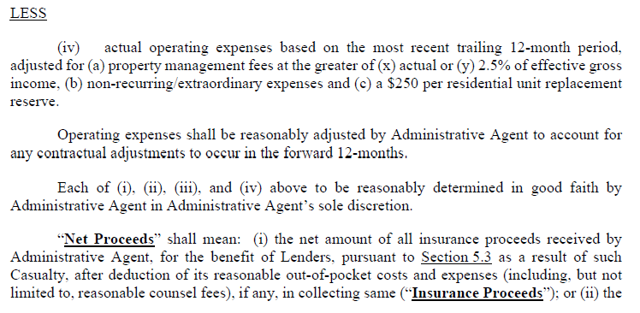
*Effective Gross Income | $29,152,055 |  | $27,780,777 | $28,452,983 | $30,415,012 |  | $2,634,235.06 | 9.5%
 | (3) Use either Gross Potential (with Vacancy Loss) or Base Rents; use negative $amt for Vacancy Loss

OPERATING EXPENSES:
Real Estate Taxes | $7,092,817 |  | $6,749,272 | $6,802,666 | $6,802,666 | Greater of actual tax bill from 07/1/2025-06/30/2026 ($3.4MM) and TTM ended 03/31/2026 | $53,394.05 | 0.8%
Property Insurance | $662,282 |  | $649,173 | $651,481 | $651,481 | Greater of actual insurance premium from 09/30/2025-09/30/2026 ($605.1K) and TTM ended 03/31/2026 | $2,307.56 | 0.4%
Utilities | $1,133,802 |  | $1,016,154 | $1,344,133 | $1,344,133 | TTM ended as of 03/31/2026 | $327,978.54 | 32.3%
Repairs and Maintenance | $658,886 |  | $695,520 | $781,369 | $781,369 | TTM ended as of 03/31/2026 | $85,848.10 | 12.3%
Management Fees | $728,801 |  | $694,519 | $385,416 | $760,375 | Greater of actual or 2.50% of EGI | $65,855.88 | 9.5%
Payroll & Benefits | $628,789 |  | $294,392 | $321,346 | $321,346 | TTM ended as of 03/31/2026 | $26,954.74 | 9.2%
Advertising & Marketing | $105,422 |  | $115,325 | $112,074 | $112,074 | TTM ended as of 03/31/2026 | -$3,251.85 | -2.8%
Professional Fees |  |  | $195,156 | $171,188 | $171,188 | TTM ended as of 03/31/2026 | -$23,968.54 | -12.3%
General and Administrative | $988,835 |  | $2,599,133 | $2,604,757 | $2,604,757 | TTM ended as of 03/31/2026 | $5,624.30 | 0.2%
Other Expenses | $1,057,734 |  | - | - | - | TTM ended as of 03/31/2026 | $0.00
Ground Rent |  |  | - | - | - | TTM ended as of 03/31/2026 | $0.00
*Total Operating Expenses | $13,057,369 |  | $13,008,645 | $13,174,429 | $13,549,388 |  | $540,742.78 | 4.2%

Operating Expense Ratio | 45% |  | 47% | 46% | 45%

*Net Operating Income | $16,094,686 |  | $14,772,132 | $15,278,554 | $16,865,624 |  | $2,093,492.28 | 14.2%

Capital Expenditures | $113,750 |  | $113,750 |  | $113,750 | $250 Per unit
Extraordinary Capital Expenditures
Total Capital Items | $113,750 |  | $113,750 | $0 | $113,750

*Net Cash Flow | $15,980,936 |  | $14,658,382 | $15,278,554 | $16,751,874 | 9.64%

Debt Service - A Note |  |  | $16,430,098 | $16,408,778 | $16,408,778
Debt Service - B Note
Debt Service - C Note

*Net Cash Flow after Debt Service

*DSCR: (NOI/Debt Service) - A Note |  |  | 0.90x | 0.93x | 1.03x | 10.39%
*DSCR: (NOI/Debt Service) - A & B Note
*DSCR: (NOI/Debt Service) - A, B & C Note

*DSCR: (NCF/Debt Service) - A Note |  |  | 0.89x | 0.93x | 1.02x | 9.64%
*DSCR: (NCF/Debt Service) - A & B Note
*DSCR: (NCF/Debt Service) - A, B & C Note

Debt Yield (NCF/UPB) |  |  | 5.24% | 5.46% | 5.98%

Source of Financial Data:
 | (ie. operating statements, financial statements, tax return, other)
Notes and Assumptions: Years above will roll, always showing a 3yr sequential history. Comments from the most recent NOI Adjustment Worksheet should be carried forward to Operating Statement
Analysis Report. Year-over-year variances (either higher or lower) must be explained and noted for the following: >20% DSCR change, >20% EGI/Total Operating Expenses or Total Capital
Items. Quarterly variance comments may be necessary if the loan is on the Watch List.
Income: Comments

Expense: Comments

Capital Items: Comments

DSCR: Comments

* Used in the CREFC Comparative Financial Status Report/CREFC Property File/CREFC Loan Periodic Update File. Note that information for multiple property loans must be consolidated (if available)
for reporting to the CREFC Loan Periodic Update file.

Insurance
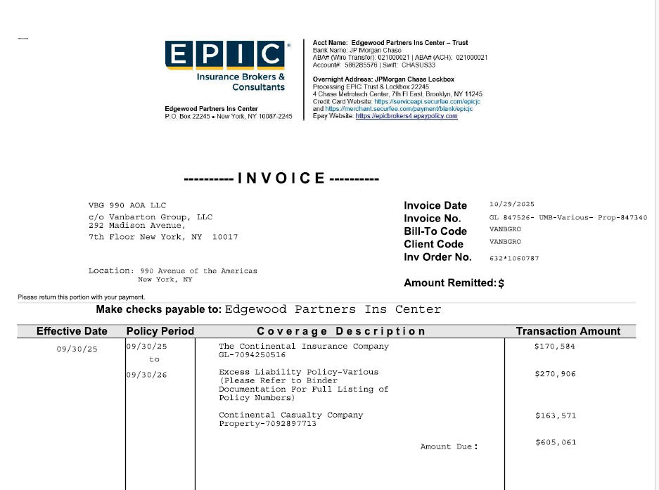
25/26 Premium | $605,061.00

From | 2025-09-30
To | 2026-09-30

RE Tax
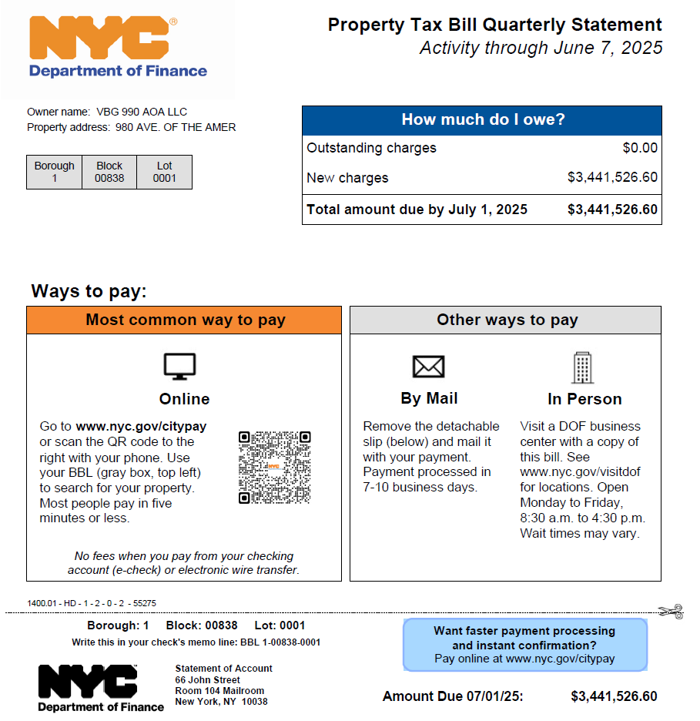
Taxes paid through 12/31/2025 | $3,441,526.60
 |  | Taxes due: | $0.00
2025-07-01 | From
2026-06-30 | To

